Sheet1
No | Module | Change Request
1 | HRMS | For custom questions in Job Application form, need to provide runtime controls like textbox, checkbox, radiobutton, dropdown menu
2 | HRMS | In dashboard, meetings, interview, events, leave, training, leave approval should be shown as to-do list (categorise by color)
3 | HRMS | Resignation - To add in resignation letter as upload document
4 | HRMS | Resignation - To add in checkbox of terms & conditions *Dynamic text
5 | HRMS | Resignation - To add in confirmation button before employee submit the letter
6 | HRMS | Complaint - To add in upload document function
7 | HRMS | Termination - To add in upload document function
8 | HRMS | Announcment - To add in the html text editor and also upload document function
9 | HRMS | Holidays - Upload list through CSV (Standard template should be available in the page)
10 | HRMS | Training - HR can create the form and staff can register through their access
11 | HRMS | Training - Cost by who section to be added in Training form
12 | HRMS | Training - Employee need to input the reason for joining the training
13 | HRMS | Training Evaluation Form - (Rating based) After training & After 3 months
14 | HRMS | Training Evaluation Form as mandatory for employees who attend the training (to link with leave apply)
13 | HRMS | Company Policy - By Department | To add in cateogories (assuming 4 different categories eg: policies, guidelines, procedures, forms)
14 | HRMS | Document Repository - Document upload date and upload by to be displayed on the screen and maintain the archives of the document | overruled
15 | HRMS | Candidate application - Application should be auto-fill based on the location | Refer to sheet 2
16 | HRMS | Basic Salary can be encrypted and can be viewed only by HR by clicking the eye-icon
17 | HRMS | Interview - Multi select for assigning employees for interviewing candidates
18 | HRMS | Replace Interviewer with Candidate
19 | HRMS | Replace Assign Employee with Panel list
20 | HRMS | Employee Details - To follow the existing HRIS system fields
21 | HRMS | Warning letter - To add in upload document function and acknowledge the warning by receiver and show the discussion like forum between HR and Receiver
22 | HRMS | Complaint - To add in upload document function and show the discussion like forum between HR, Sender and Receiver ** to add in the status (like ticketing)
23 | HRMS | Replacing Document Type with "SOP" | overruled
24 | HRMS | Trip/Travel - Function access with HOD/Supervisor, HR Can only view report
25 | HRMS | Resignation - Need to enhance the exit interview form and clearance form ** to add in constant for exit interview questions and clearance questions by dept
26 | HRMS | Staff No - To generate different staff no prefix based on the employment type
26 | HRMS | Work flow for
 |  | Leave
 |  | Training
 |  | Travel / Trip
 |  | Claim (Cash advance)
 |  | Resignation
 |  | Transfer
 |  | Promotion
 |  | Termination
27 | HRMS | KPI
 |  | Two types - Contract, Permanent
 |  | Weightage Formula - (Events / Total Events) * Actual Weightage
 |  | Generate KPI forms through system and update at the employee generation level
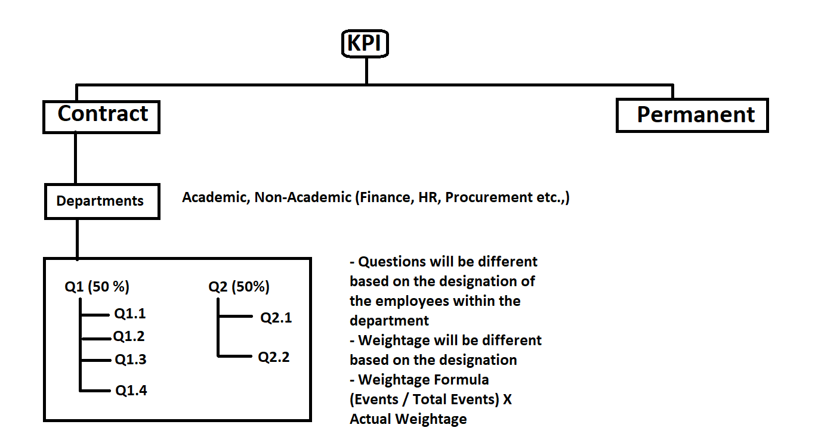

28 | HRMS | Claims Management
 |  | Cash advancement
 |  | Reimbursement

 |  | Two types of claims
 |  | HR
 |  | Finance

Sheet2
